Introduction
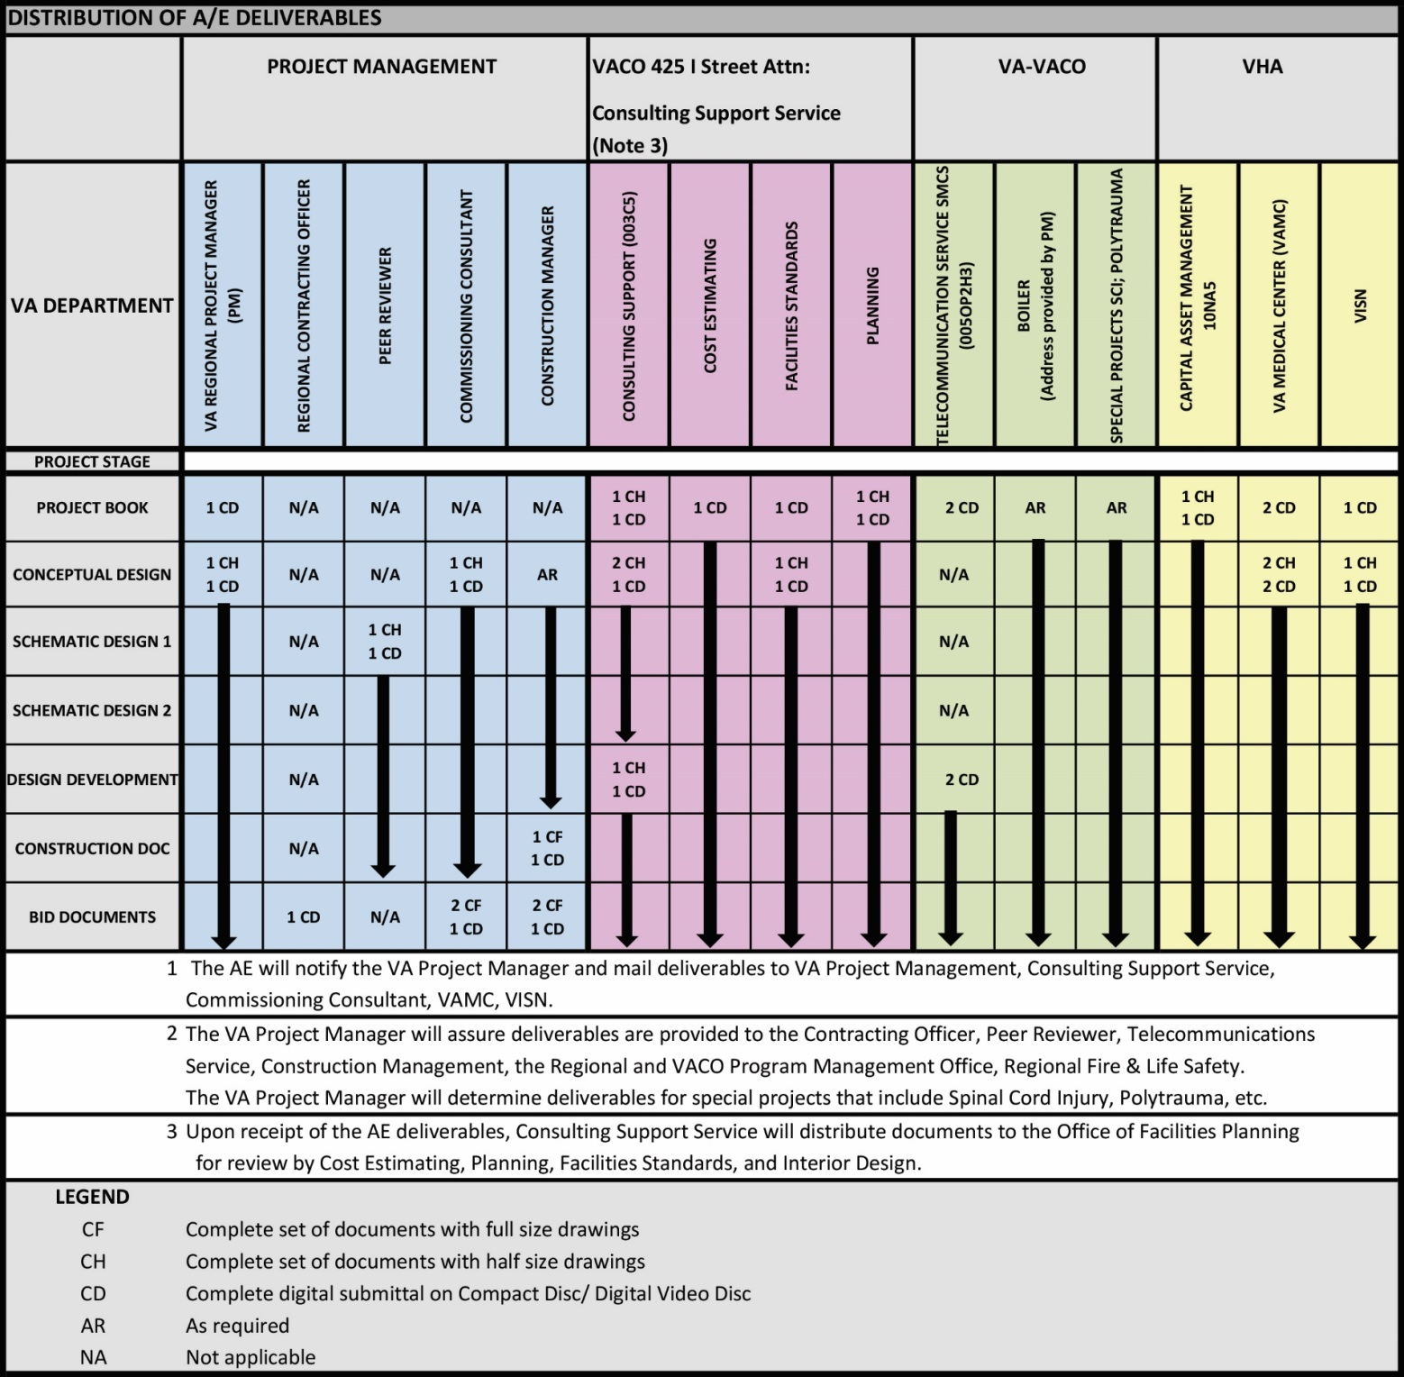
PROJECT BOOK
AE SUBMISSION REQUIREMENTS FOR VA MEDICAL CENTERS
MAJOR NEW FACILITIES, ADDITIONS & RENOVATIONS
 |  |  |  | 2020-02-26
 |  |  |  | "
 | PROJECT NAME
 | I. | PROJECT BOOK PHASE OVERVIEW
 |  | A. | General
 |  |  | 1. | The purpose of the PROJECT BOOK analysis phase is to provide a thorough technical evaluation to establish the requirements for the project, covering site and any existing building conditions, utilities, the final SEPS Program for Design (PFD) baseline and Preliminary Room Contents (PRC), which will establish the Design-to Budget for the AE of Record. The PROJECT BOOK analysis will be done under a separate contract from the AE-of-Record contract in coordination with the Project Stakeholders and VAMC Staff.
 |  |  | 2. | Additional studies may be required to verify existing conditions to resolve proposed programming issues. Special studies shall be handled on a case-by-case basis with the approval of the VA PM. AE will verify and coordinate workload and staffing requirements.
 |  |  |  | The PROJECT BOOK includes only studies and analysis; it does not include any design work.

 |  | B. | How to Use this Document
 |  |  | 1. | This spreadsheet should be used to ensure all required content is compiled into a single source for use with the AE of Record.
 |  |  | 2. | VA will use this document as Government Furnished Information (GFI) to assist the AE of Record in preliminary project design work.
 |  |  | 3. | The PROJECT BOOK spreadsheet for the required project deliverables is completed by the VA and the AE during an assessment phase prior to the project kickoff meeting. VA should identify all work provided by VA, as well as all work required by PB Contractor in provided columns.
 |  |  | 4. | A level of development is noted for each submittal element. The levels are:
 |  |  |  | P = Preliminary Information
 |  |  |  | U = Updated Information
 |  |  |  | F = Final Information
 |  |  | 5. | The Project Book spreadsheet is locked with the exception of the Submittal Checklist, which can be edited.
 |  |  | 6. | Additional work can be added by inserting rows in the spreadsheet.
 |  |  | 7. | Work that is not needed can be eliminated by putting "NA" in the Submittal Checklist.
 |  |  | 8. | The spreadsheet can be sorted using the Tabs located in the Header.
 |  |  | 9. | At the top of the Heading in the PROJECT BOOK tab, enter the Project Name, Project Number, and Effective Date of the spreadsheet.

 |  | C. | Tab Heading Legend

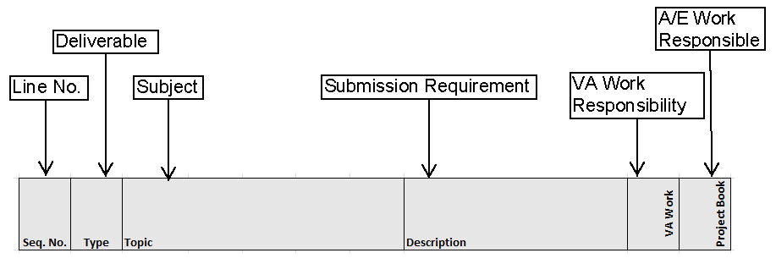

 |  | D. | Type of Deliverable
 |  |  | Report
 |  |  | Calculations
 |  |  | Aggregate
 |  |  | Drawings

 | II. | DISTRIBUTION OF A/E SUBMITTALS FOR REVIEW

